chio
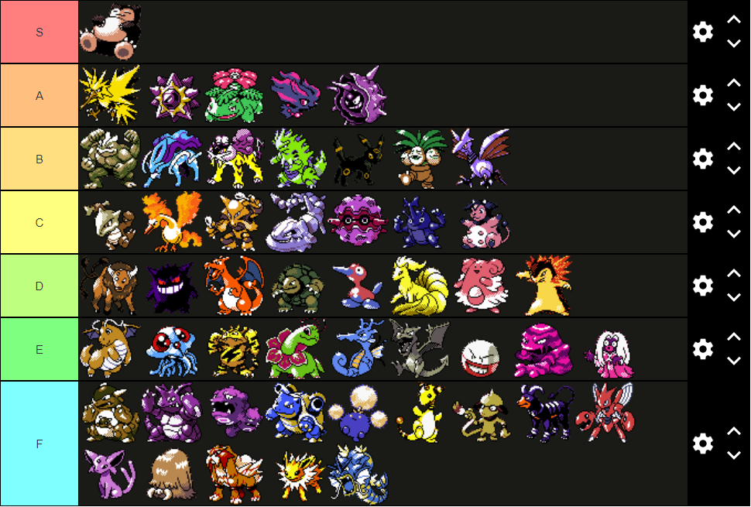

The following is information for GLC in Japan.

GLCの場合は以下の点が変更になります。
・フシギバナは３位（眠り粉1-4ターンで対ガラとかが大きく変わる）
・ナッシーはBの真ん中らへん（眠り粉1-4ターンでベースの勝率向上）
・ミルタンクが1ランクぐらい上がる（分身が強い）
・ハピナスはCの真ん中らへん（プレゼントバグ、歌う1-4ターンで対ガラとかが大きく変わる）
・ルージュラはDとEの狭間（キッス1-4ターンでベースの勝率向上）
・ガルーラはEの真ん中らへん（奇襲闇）
・ドンファン登場、Fの下らへん（55アンコ）
・フリーザー登場、Fの下らへん（55分身）
・ヌオー登場、Dの真ん中らへん（55太鼓、55分身まるころ）

